Q1
Sales data for men and women
Create a 3-dimensional column chart comparing sales data for men and women, but omitting BMWs
Car Sales By Gender

 | Men | Women
Fiat | 3% | 32%
Ford | 39% | 12%
BMW | 21% | 8%
Mercedes | 6% | 17%
Vauxhall | 19% | 10%
Nissan | 12% | 21%

Q2
Create a chart to compare the favourite films data for 15-25 year olds only (be careful not to include any unnecessary blanks rows or columns in your selected data). Format this chart so that it is a pie chart, with the Barbarella slice "exploded" and each segment labelled:
Favourite films data of 15 - 25 yrs age group

Favourite Films By Age group

 | 15 - 25 yrs | 26 - 40 yrs | Over 40's
Barbarella | 17% | 31% | 18%
Die Hard | 20% | 15% | 1%
Gone with the Wind | 4% | 19% | 41%
Jurassic Park | 34% | 12% | 3%
Speed | 17% | 8% | 11%
Titanic | 8% | 15% | 26%

% denotes the percentage of the sample that marked the film as their favourite.

Q3
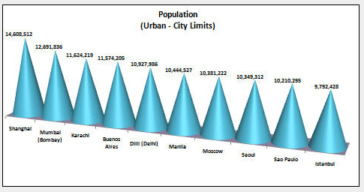
Select the necessary ranges of data to create a 3-D cone chart showing the City and the Population

Rank | City | Country | Population (Urban - City Limits)
1 | Shanghai | China | 14,608,512
2 | Mumbai (Bombay) | India | 12,691,836
3 | Karachi | Pakistan | 11,624,219
4 | Buenos Aires | Argentina | 11,574,205
5 | Dilli (Delhi) | India | 10,927,986
6 | Manila | Philippines | 10,444,527
7 | Moscow | Russia | 10,381,222
8 | Seoul | Korea (South) | 10,349,312
9 | Sao Paulo | Brazil | 10,210,295
10 | Istanbul | Turkey | 9,792,428

Q4
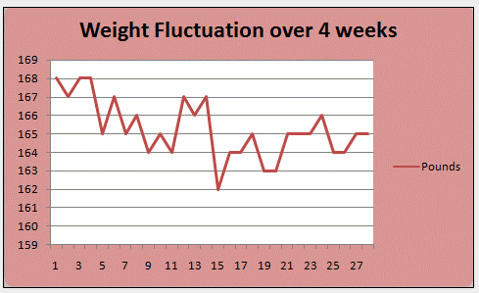
Convert this data into a line chart. Make the necessary changes to ensure that it resembles the one shown below.

Weight of trainer
 | Pounds
1 | 168
3 | 168
5 | 165
7 | 165
9 | 164
11 | 164
12 | 167
13 | 166
15 | 162
17 | 164
19 | 163
21 | 165
23 | 165
25 | 164
27 | 165
 | Weight of trainer

 | Day | Pounds
 | 1 | 168
 | 2 | 167
 | 3 | 168
 | 4 | 168
 | 5 | 165
 | 6 | 167
 | 7 | 165
 | 8 | 166
 | 9 | 164
 | 10 | 165
 | 11 | 164
 | 12 | 167
 | 13 | 166
 | 14 | 167
 | 15 | 162
 | 16 | 164
 | 17 | 164
 | 18 | 165
 | 19 | 163
 | 20 | 163
 | 21 | 165
 | 22 | 165
 | 23 | 165
 | 24 | 166
 | 25 | 164
 | 26 | 164
 | 27 | 165
 | 28 | 165

Q5
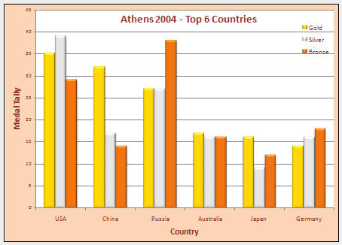
Create a chart which shows the top 6 countries and their medal hauls

Athens 2004- top 6 countries
 | Gold | Silver | Bronze
USA | 35 | 39 | 29
China | 32 | 17 | 14
Russia | 27 | 27 | 38
Australia | 17 | 16 | 16
Japan | 16 | 9 | 12
Germany | 14 | 16 | 18
Athens 2004 Medals Table

Country | Gold | Silver | Bronze
USA | 35 | 39 | 29
China | 32 | 17 | 14
Russia | 27 | 27 | 38
Australia | 17 | 16 | 16
Japan | 16 | 9 | 12
Germany | 14 | 16 | 18

